TECH SHEET
DATE | 2026-05-11
SEASON | SS26 SMS INSTRUCTION
CUSTOMER/LABEL | THE JACKIE LEATHER
STYLE NAME | MIMI
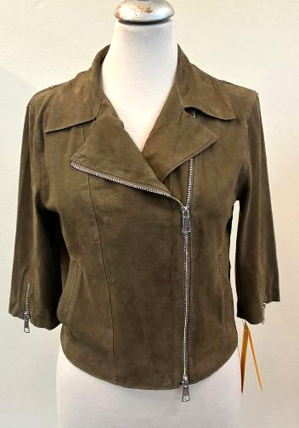 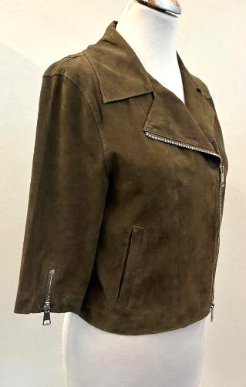 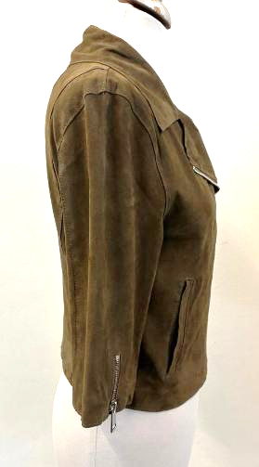 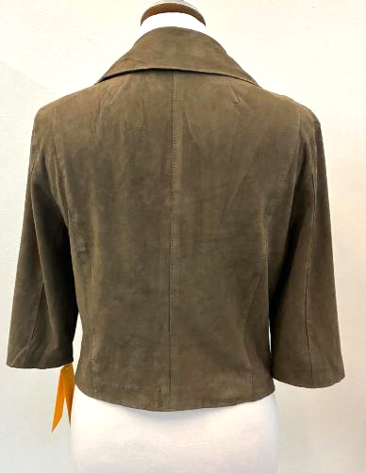 PICTURES
LEATHER QUALITY | THIN SUEDE SILKY HAND, BRILLIANT, SOFT WITH GOOD WRITING, FALLING DOWN EFFECT, THROUGH AND THROUGH DYED DUE THE CLEAN CUT WORKMANSHIP >AVOID MISMATCHING COLOR PANELS AND OPEN DEFECTS ON SUEDE *DUST STOPPER OR LIGHT NAPPALAN FINISHING TO AVOID COLOR BLEEDING ON FLESH SIDE >>TAKE CARE TO AVOID SHAVING MARKS ON FLESH SIDE >>THE SUEDE SHOULD HAVE FALLING DOWN EFFECT AND SILKY HANDS ALSO AFTER INSIDE FINISHING *SUBSTANCE: 0,45/0,5 mm MAXIMUM > THE COLOR INSIDE, ON FLESH LEATHER MUST BE PERFECTLY FIXED TO AVOID COLOR BLEEDING *PAY ATTENTION DURING THE CUT SECTION IN ORDER TO HAVE ALL PARTS CUT WITH SAME HAIR DIRECTION > AVOID MISMATCHING PANELS > THE LEATHER SHOULD BE VERY SOFT AND LIGHT > AVOID STAINS ON SUEDE > AVOID VEIN'S MARKS ON SUEDE >AVOID SCRATCHES ON SUEDE AND STAINS ON ADHESIVE SIDE >AVOID BUSHY SUEDE PANELS >AVOID LEATHER FOLD MARKS >AVOID PACKAGING FOLD MARKS

COLOUR | MAGENTA, FOLLOW LEATHER SWATCH SENT YOU FOR REFERENCE
PATTERN | THIS IS A CARRY ON STYLE, follow pattern already used for SS26 named MIMI-28-09-22-ZZ ,in size 42
SMS ORDER | YOU CAN PROCEED WITH: TOTAL 22 SMS IN COL. MAGENTA >>>ALL SMS IN SIZE 42 SEND 6 SMS JACKETS TO ITALY, BY 1st OF JUNE SEND THE BALANCE 16 SMS TO ITALY, BY 15th OF JUNE

2 cm
10 cm
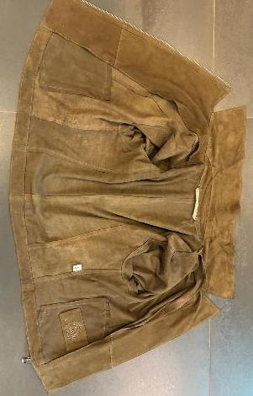 BODY AND SLEEVES LINING | *BODY AND SLEEVES UNLINED -> MAKE DUST STOPPER ON BACK SIDE > THE COLOR INSIDE, ON FLESH LEATHER MUST BE PERFECTLY FIXED TO AVOID COLOR BLEEDING > INSIDE FRONT FACING AND BOTTOM HEM IN SUEDE CLEAN CUT WORKMANSHIP WITH STITCHING AT THE EDGE, NOT VISIBLE OUTSIDE >> PAY ATTENTION TO DON'T LOOSE THE FRONT FACING MARGIN DURING THE EDGE STITCHING > TO FIX THE FRONT FACING BY HAND STITCHING TO FRONT PANEL WITH POCKET BAG > TO FIX THE BOTTOM HEM TO THE BODY BY HAND'S STITCHING AT VERTICAL CUTS AND WELL GLUED TO AVOID EASILY DETACHES >TO AVOID PLEATS AT BOTTOM HEM CREATED BY THE GLUE ON HEM >TO MAKE DUST STOPPER AT FRONT FACING, COLLAR FACING, BOTTOM BODY HEM AND BOTTOM SLEEVE'S HEM TO AVOID COLOUR BLEEDING AT WORN GARMENT >>PLEASE AVOID ANY COLORS BLEEDING ON FACING
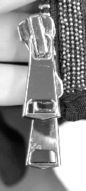 ACCESSORIES | *FOR MAIN CLOSURE & CUFFS >SBS/SAB/SAS ZIPPER >> PROVIDED BY YOU HIGH SHINY LIGHT GOLD FINISHING *MAIN ZIPPER > N°5 ZIPPER DOUBLE SLIDER *CUFFS >N°5 ZIPPER SINGLE SLIDER >ZIPPERS PULLER/ SLIDERS AND TEETH HIGH SHINY LIGHT GOLD FINISHING >ZIPPER RIBBON MATCHING LEATHER COLOR >METAL PULLER SQUARED SHAPE AS PER PICTURE AT SIDE IN HIGH SHINY LIGHT GOLD FINISHING
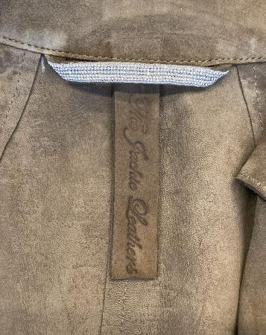 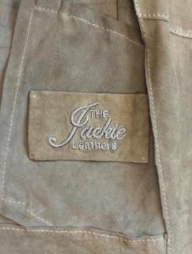 LABELLING | *1) EMBOSSED MAIN LABEL >THE EMBOSSED LABEL SHOULD BE STITCHED PERFECTLY CENTERED ON C.BACK AND IT SHOULD BE STRAIGHT - EMBOSSED LOGO "THE JACKIE LEATHERS" ON DOUBLE LAYERS OF LEATHER PASTED TOGHETHER -SHOULD BE STITCHED TO THE COLLAR FACING IN VERTICAL WAY -PLEASE CUT MAIN LABEL CM 10 X CM 2 >DYED SET CUT, NOT SCISSOR CUTS *2) EMBRODERY MAIN LABEL > AVOID OILY STAINS ON LEATHER AROUND THE EMBROIDERY PLEASE MAKE THE LOGO "THE JACKIE LEATHERS" EMBROIDERED ON A LEATHER PATCH TO BE STITCHED ON LEFT FRONT INSIDE, IN THE BACK OF PATCH POCKET, IN ORDER TO AVOID VISIBLE STITCH OUTSIDE > THE HAND STITCH SHOULD BE THIN, BUT STRONG TO AVOID EASILY BREAKS > LABEL SIZE 9,5 cm width X 5,5 cm high >"THE" AND "LEATHERS" EMBROIDERED WITH THREAD MATCHING LEATHER COLOR >"JACKIE" EMBROIDERED WITH THREAD MATCHING LEATHER COLOR >FOLDED EDGES FIXED BY HANDS STITCH IN DIAGONAL IN THE ANGLES LEATHER HANGTAG WITH EMBRODERY HAVE THE EQUAL INSTRUCTION OF 2nd MAIN LABEL'S EMBRODERY > HANTAG IN LEATHER TREATED SAME AS PER GARMENT > HANTAG SIZE 13 cm width X 6 cm high > BACK PART SHOULD BE IN POLYESTER FABRIC MATCHING LEATHER COLOR -> PROVIDED BY YOU > FRONT AND BACK LAYERS SEW TOGHETHER ALL AROUND WITH 3mm STITCHING FROM THE EDGE. > STITCHING SHOULD BE MATCHING LEATHER COLOUR >LEATHER HANG TAG with nickel eyelet -------------------------------------- *PRINTED LABELS SEW AT LEFT WORN SIDE 1st PLACE "SIZE" label 2nd PLACE "FACEBOOK/INSTAGRAM" 3rd PLACE "IMPORTED and DISTRIBUTED BY 4th PLACE "WASH CARE" label (FOR SMS YOU CAN PUT 100% LEATHER) 5th PLACE "MADE IN INDIA" label *THE PRINTED LABELS, PROVIDED BY YOU, SHOULD HAVE BLACK GROUND AND WHITE LETTERING STITCHED AT LEFT WORN SIDE AT 10 CM FROM BOTTOM

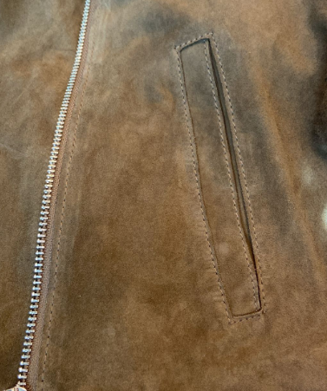 POCKETS | *FRONT POCKET WITH LEATHER PROFILE IN CLEAN CUT WORKMANSHIP *POCKET'S BAG >ONE SIDE IN LEATHER WITH VISIBLE FLESH SIDE >NOT VISIBLE PART IN LIGHT QUALITY OF POLYESTER FABRIC MATCHING LEATHER COLOR -> PROVIDED BY YOU >POCKET'S BAG FIXED TO THE FRONT FACING BY HAND'S STITCHING AND AT BOTTOM HEM >>PAY ATTENTION TO DON'T MARKS THE LEATHER OUTSIDE
STITCHING | *CLEAN CUT WORKMANSHIP WITH VISIBLE STITCHING AT 0,2 CM FROM THE EDGE *CLEAN CUT WORKMANSHIP ALSO AT BACK DARTS *MAKE VISIBLE STITCHING AT THE EDGE AT INSIDE FRONT FACING MARGIN AND TOP MARGIN OF BOTTOM HEM *FOR VISIBLE STITCHING PLEASE USE A NICE QUALITY OF THIN THREAD MATCHING LEATHER COLOR OR ONE TONE DARKER
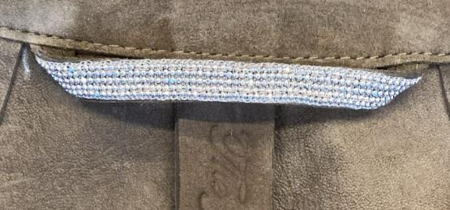 LEATHER LOOP | *LEATHER LOOP WITH "BIG CHAIN" ATTACHED OVER > "CHAIN IN SILVER/NICKEL FINISHING"-> PROVIDED BY US >THE FINAL LENGTH OF LOOP SHOULD BE 8 CM LONGER , FROM SIDE TO SIDE >TO STITCH THE CHAIN PLEASE USE A THREAD col.GREY TO AVOID VISIBLE STITCHING THROUGH THE CHAIN >>PAY ATTENTION, THE LOOP MUST BE CENTERED PERFETCLY ON BACK >>PAY VERY ATTENTION TO DON'T BREAKS THE TRIMMING CHAIN DURING THE WORKMANSHIP
28 CM
IN BULK SHIPMENT THIS JACKET SHOULD BE DELIVERED WITH FRONT LAPEL OPENED AND FOLDED UNTIL 28 CM FROM SHOULDER POINT_ TAKE CARE
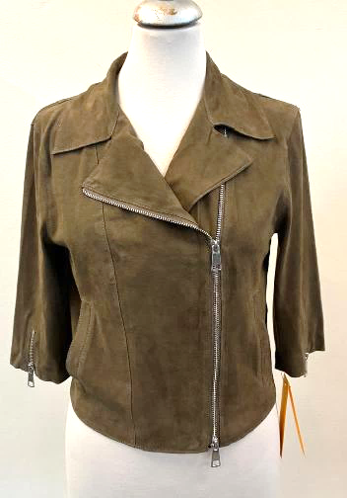 | IN SMS SHIPMENT THIS JACKET SHOULD BE DELIVERED WITH FRONT LAPEL OPENED AND FOLDED UNTIL 28 CM FROM SHOULDER POINT_ TAKE CARE GENERAL WORKMANSHIP MUST BE CLEANED AND PRECISE > CLEAN CUT WORKMANSHIP SHOULD BE STRAIGHT AND PRECISE IN ALL GARMENT > ALL STITCHING SHOULD BE STRAIGHT AND PRECISE IN ALL GARMENT > AVOID SILVER PEN MARKS ON LEATHER INSIDE AND OUTSIDE > AVOID GLUE STAINS ON SUEDE INSIDE AND OUTSIDE >TO AVOID VISIBLE PAKKA TAPE UNDER THE ARMHOLE INSIDE > THE SEAMS ALLOWANCE MARGIN SHOULD BE THE SAME IN ALL GARMENT >PAY ATTENTION DURING THE WORKMANSHIP TO AVOID SEAM'S ALLOWANCE AND HEM MARKS OUTSIDE >AVOID GATHERING LEATHER AROUND STITCHING, THE STITCHING MUST NOT HOLD THE LEATHER >AVOID VISIBLE MARKS ON FLESH SIDE >AVOID UNSTITCHED PARTS >AVOID STAINS ON LEATHER > AVOID PENDING YARNS > ALL STITCHING SHOULD BE WELL FIXED UNTIL THE END >AVOID "SPOON EFFECT" AT BACK DART SUMMIT, PAY ATTENTION

